ALL Teacher Overview
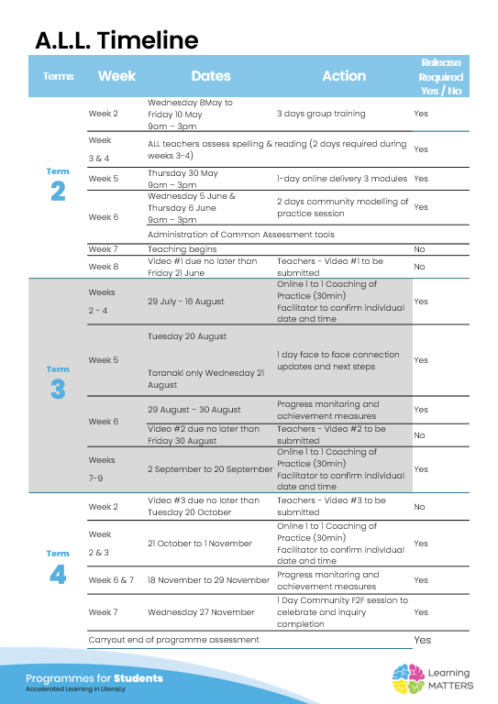

Roadmap
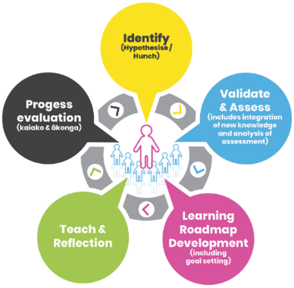 V1 | V3

6
7
8

Term 4 Evaluation & Final Reflections
Student progress and next steps
Teacher progress and next steps

